Daily Power Station Chart_14-01
Plant_09/01/2025Chart

Plant:odco1 |  |  | Installed Capacity:111.180kWp
Today Yield(kWh):543.400kWh |  | Today Earning:217360.000TND |  | Today Full Load Hours(h):4.89h

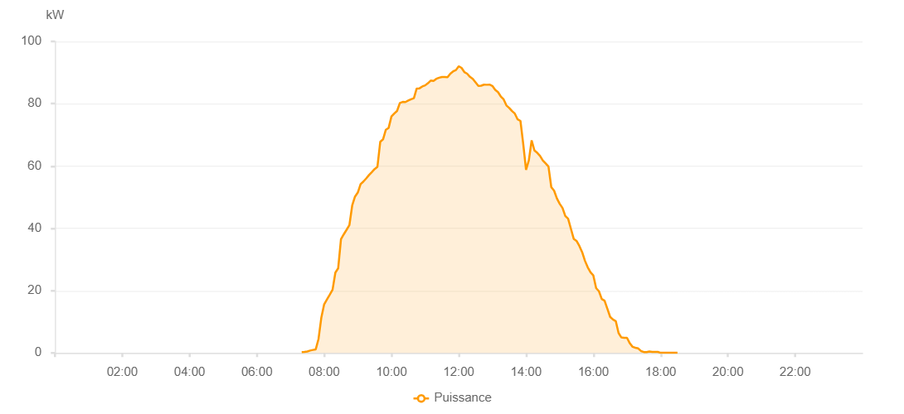

Number | Time | Working State | PV(W) | Instantaneous Radiation(W/㎡)
1 | 07:20:00 | Online | 260.00000 | 0
2 | 07:25:00 | Online | 330.00000 | 0
3 | 07:30:00 | Online | 480.00000 | 0
4 | 07:35:00 | Online | 770.00000 | 3.00000
5 | 07:40:00 | Online | 960.00000 | 7.00000
6 | 07:45:00 | Online | 1150.00000 | 7.00000
7 | 07:50:00 | Online | 4530.00000 | 10.00000
8 | 07:55:00 | Online | 11380.00000 | 51.00000
9 | 08:00:00 | Online | 15610.00000 | 192.00000
10 | 08:05:00 | Online | 17200.00000 | 192.00000
11 | 08:10:00 | Online | 18730.00000 | 227.00000
12 | 08:15:00 | Online | 20300.00000 | 252.00000
13 | 08:20:00 | Online | 25780.00000 | 284.00000
14 | 08:25:00 | Online | 27170.00000 | 313.00000
15 | 08:30:00 | Online | 36520.00000 | 339.00000
16 | 08:35:00 | Online | 38080.00000 | 366.00000
17 | 08:40:00 | Online | 39530.00000 | 392.00000
18 | 08:45:00 | Online | 41010.00000 | 418.00000
19 | 08:50:00 | Online | 47320.00000 | 441.00000
20 | 08:55:00 | Online | 50170.00000 | 462.00000
21 | 09:00:00 | Online | 51480.00000 | 483.00000
22 | 09:05:00 | Online | 54180.00000 | 507.00000
23 | 09:10:00 | Online | 55010.00000 | 545.00000
24 | 09:15:00 | Online | 56010.00000 | 567.00000
25 | 09:20:00 | Online | 57100.00000 | 589.00000
26 | 09:25:00 | Online | 58050.00000 | 589.00000
27 | 09:30:00 | Online | 59030.00000 | 623.00000
28 | 09:35:00 | Online | 59740.00000 | 623.00000
29 | 09:40:00 | Online | 67760.00000 | 636.00000
30 | 09:45:00 | Online | 68560.00000 | 653.00000
31 | 09:50:00 | Online | 71640.00000 | 683.00000
32 | 09:55:00 | Online | 72250.00000 | 697.00000
33 | 10:00:00 | Online | 75910.00000 | 710.00000
34 | 10:05:00 | Online | 76840.00000 | 710.00000
35 | 10:10:00 | Online | 77670.00000 | 737.00000
36 | 10:15:00 | Online | 80250.00000 | 737.00000
37 | 10:20:00 | Online | 80570.00000 | 746.00000
38 | 10:25:00 | Online | 80530.00000 | 756.00000
39 | 10:30:00 | Online | 81040.00000 | 779.00000
40 | 10:35:00 | Online | 81440.00000 | 779.00000
41 | 10:40:00 | Online | 81760.00000 | 790.00000
42 | 10:45:00 | Online | 84860.00000 | 805.00000
43 | 10:50:00 | Online | 84940.00000 | 805.00000
44 | 10:55:00 | Online | 85530.00000 | 819.00000
45 | 11:00:00 | Online | 85880.00000 | 819.00000
46 | 11:05:00 | Online | 86570.00000 | 831.00000
47 | 11:10:00 | Online | 87430.00000 | 839.00000
48 | 11:15:00 | Online | 87320.00000 | 839.00000
49 | 11:20:00 | Online | 88000.00000 | 844.00000
50 | 11:25:00 | Online | 88350.00000 | 843.00000
51 | 11:30:00 | Online | 88590.00000 | 858.00000
52 | 11:35:00 | Online | 88560.00000 | 858.00000
53 | 11:40:00 | Online | 88510.00000 | 858.00000
54 | 11:45:00 | Online | 89650.00000 | 860.00000
55 | 11:50:00 | Online | 90370.00000 | 860.00000
56 | 11:55:00 | Online | 90800.00000 | 860.00000
57 | 12:00:00 | Online | 92030.00000 | 860.00000
58 | 12:05:00 | Online | 91490.00000 | 860.00000
59 | 12:10:00 | Online | 90150.00000 | 859.00000
60 | 12:15:00 | Online | 89630.00000 | 857.00000
61 | 12:20:00 | Online | 88620.00000 | 857.00000
62 | 12:25:00 | Online | 87990.00000 | 854.00000
63 | 12:30:00 | Online | 86850.00000 | 847.00000
64 | 12:35:00 | Online | 85710.00000 | 847.00000
65 | 12:40:00 | Online | 85780.00000 | 832.00000
66 | 12:45:00 | Online | 86120.00000 | 832.00000
67 | 12:50:00 | Online | 86080.00000 | 836.00000
68 | 12:55:00 | Online | 86120.00000 | 826.00000
69 | 13:00:00 | Online | 85690.00000 | 818.00000
70 | 13:05:00 | Online | 84460.00000 | 810.00000
71 | 13:10:00 | Online | 83710.00000 | 803.00000
72 | 13:15:00 | Online | 82320.00000 | 792.00000
73 | 13:20:00 | Online | 81420.00000 | 776.00000
74 | 13:25:00 | Online | 79450.00000 | 776.00000
75 | 13:30:00 | Online | 78640.00000 | 754.00000
76 | 13:35:00 | Online | 77630.00000 | 754.00000
77 | 13:40:00 | Online | 76830.00000 | 734.00000
78 | 13:45:00 | Online | 74960.00000 | 734.00000
79 | 13:50:00 | Online | 74480.00000 | 725.00000
80 | 13:55:00 | Online | 67070.00000 | 728.00000
81 | 14:00:00 | Online | 58770.00000 | 417.00000
82 | 14:05:00 | Online | 61830.00000 | 417.00000
83 | 14:10:00 | Online | 68250.00000 | 666.00000
84 | 14:15:00 | Online | 64980.00000 | 666.00000
85 | 14:20:00 | Online | 64230.00000 | 651.00000
86 | 14:25:00 | Online | 63220.00000 | 636.00000
87 | 14:30:00 | Online | 61770.00000 | 622.00000
88 | 14:35:00 | Online | 60840.00000 | 583.00000
89 | 14:40:00 | Online | 59830.00000 | 565.00000
90 | 14:45:00 | Online | 53230.00000 | 565.00000
91 | 14:50:00 | Online | 52080.00000 | 548.00000
92 | 14:55:00 | Online | 49610.00000 | 537.00000
93 | 15:00:00 | Online | 47880.00000 | 502.00000
94 | 15:05:00 | Online | 46540.00000 | 502.00000
95 | 15:10:00 | Online | 43970.00000 | 481.00000
96 | 15:15:00 | Online | 43080.00000 | 445.00000
97 | 15:20:00 | Online | 39870.00000 | 445.00000
98 | 15:25:00 | Online | 36640.00000 | 425.00000
99 | 15:30:00 | Online | 35950.00000 | 390.00000
100 | 15:35:00 | Online | 34360.00000 | 390.00000
101 | 15:40:00 | Online | 32370.00000 | 369.00000
102 | 15:45:00 | Online | 29600.00000 | 350.00000
103 | 15:50:00 | Online | 27500.00000 | 310.00000
104 | 15:55:00 | Online | 25860.00000 | 49.00000
105 | 16:00:00 | Online | 24870.00000 | 49.00000
106 | 16:05:00 | Online | 20810.00000 | 44.00000
107 | 16:10:00 | Online | 19790.00000 | 41.00000
108 | 16:15:00 | Online | 17300.00000 | 42.00000
109 | 16:20:00 | Online | 16770.00000 | 42.00000
110 | 16:25:00 | Online | 14200.00000 | 48.00000
111 | 16:30:00 | Online | 11560.00000 | 33.00000
112 | 16:35:00 | Online | 10720.00000 | 33.00000
113 | 16:40:00 | Online | 10210.00000 | 28.00000
114 | 16:45:00 | Online | 6370.00000 | 28.00000
115 | 16:50:00 | Online | 4960.00000 | 26.00000
116 | 16:55:00 | Online | 4860.00000 | 24.00000
117 | 17:00:00 | Online | 4840.00000 | 23.00000
118 | 17:05:00 | Online | 3100.00000 | 23.00000
119 | 17:10:00 | Online | 1960.00000 | 23.00000
120 | 17:15:00 | Online | 1670.00000 | 16.00000
121 | 17:20:00 | Online | 1440.00000 | 12.00000
122 | 17:25:00 | Online | 610.00000 | 9.00000
123 | 17:30:00 | Online | 290.00000 | 6.00000
124 | 17:35:00 | Online | 280.00000 | 3.00000
125 | 17:40:00 | Online | 470.00000 | 3.00000
126 | 17:45:00 | Online | 320.00000 | 2.00000
127 | 17:50:00 | Online | 320.00000 | 0
128 | 17:55:00 | Online | 320.00000 | 0
129 | 18:00:00 | Online | 40.00000 | 0
130 | 18:05:00 | Online | 40.00000 | 0
131 | 18:10:00 | Online | 40.00000 | 0
132 | 18:15:00 | Online | 40.00000 | 0
133 | 18:20:00 | Online | 40.00000 | 0
134 | 18:25:00 | Online | 40.00000 | 0
135 | 18:30:00 | Online | 40.00000 | 0
136 | 18:50:00 | Online | 0.00001 | 0.00001

